Cover
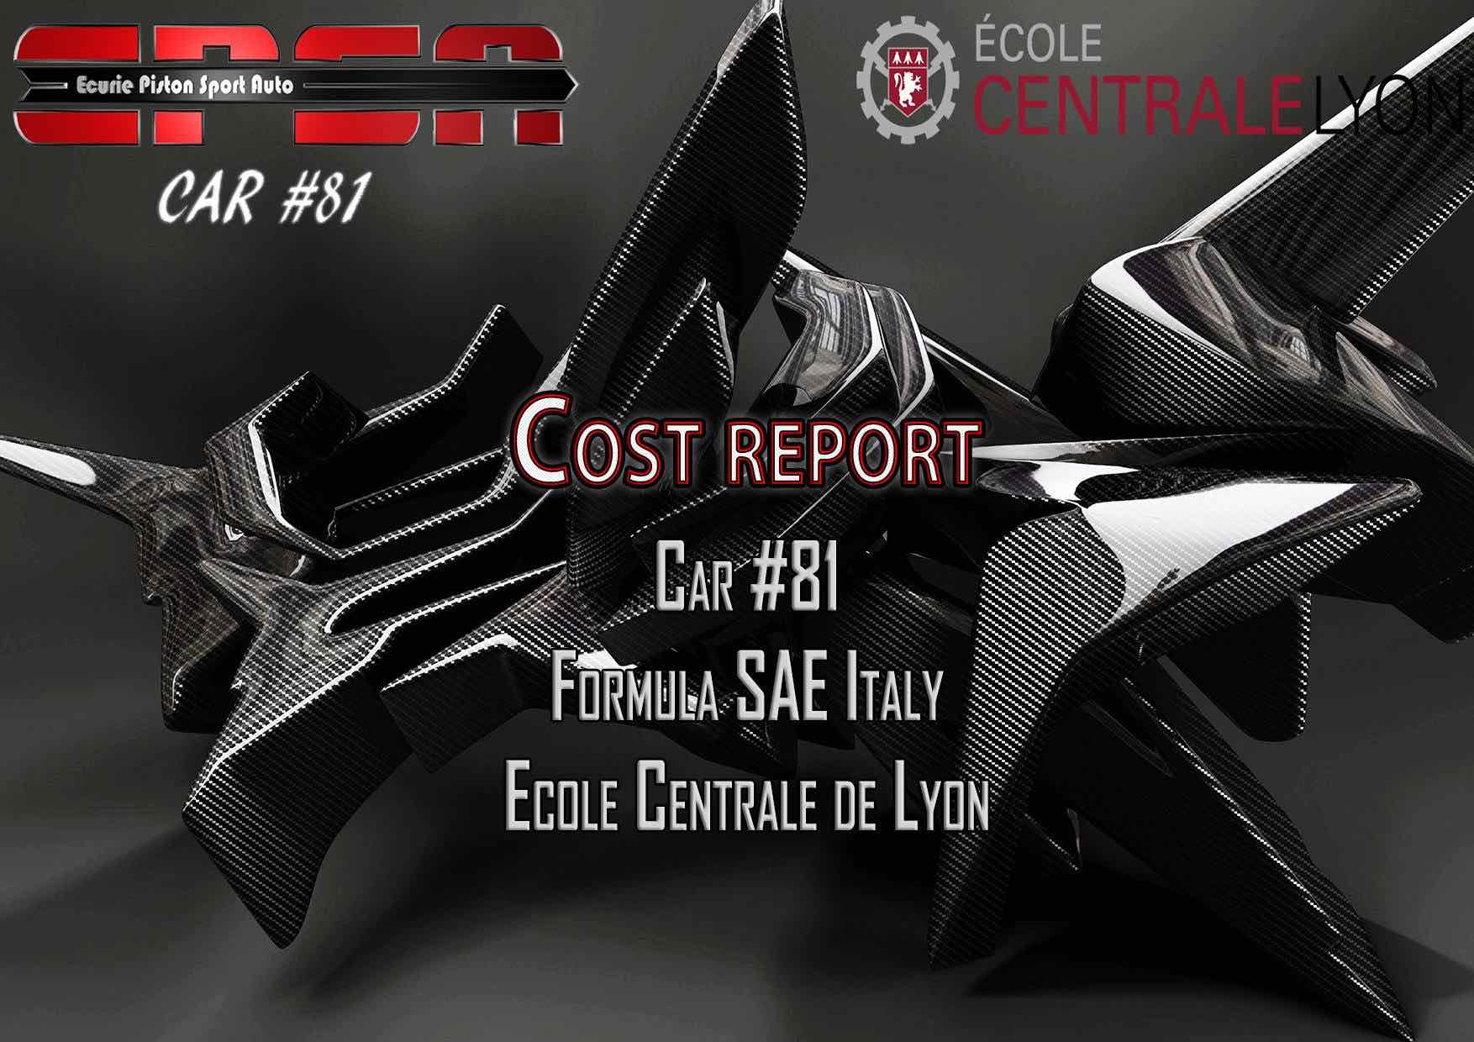

Cost Summary
Cost Summary Basics

for: | Ecole Centrale de Lyon
 | 81
Area Totals |  | Materials | Processes | Fasteners | Tooling | Total
 | Brake System | $1,008.59 | $96.70 | $5.42 | $0.67 | $1,111.37
 | Engine & Drivetrain | $2,652.40 | $1,465.86 | $54.23 | $32.70 | $4,205.19
 | Frame & Body | $476.00 | $1,709.98 | $85.03 | $196.21 | $2,467.22
 | Electrical | $1,603.70 | $320.54 | $2.73 | $5.33 | $1,932.30
 | Miscellaneous, Finish & Assembly | $101.75 | $173.21 | $6.95 | $12.53 | $294.44
 | Steering System | $166.39 | $170.60 | $2.20 | $3.33 | $342.53
 | Suspension System | $1,865.80 | $924.03 | $12.84 | $14.67 | $2,817.33
 | Wheels, Wheel Bearings & Tires | $1,636.97 | $306.75 | $23.45 | $- | $1,967.17

 | Total Vehicle | $9,511.59 | $5,167.68 | $192.84 | $265.45 | $15,137.55

Composition for total vehicle:

